Comments
2:20 PM] BOT dr-race-bot:
franklin has finished the race with a time of 6:03:00.
dr-race-bot pinned a message to this channel. See all pinned messages. — 04/13/2022
14-Apr-22
[2:46 AM] BOT dr-race-bot:
Heroebal has finished the race with a time of 4:54:48.
dr-race-bot pinned a message to this channel. See all pinned messages. — 04/14/2022
[2:50 AM] Heroebal:
I threw everything at it, lol. Got Bum Rush for Edgar, had a horn jumper, Setzer jump with vk or did slots, and Celes was the life blood of the party with x-magic & was able to equip espers. Had to regroup against like MagiMaster & a couple other bosses, but got through most of them without too much issue.
[4:28 AM] franklin:
I also had to regroup for MM, using quick on a 2 person party was too much (edited)
[4:28 AM] franklin:
gg
[4:31 AM] franklin:
Inferno at Zozo had a counterattack which caused instant death
[4:31 AM] franklin:
that was pretty gnarly
[9:09 AM] Heroebal:
Yeah that inferno fight i had to regroup also. I was like “I’m glad I bought a safely bit”. So I put safety bit + white cape on Celes for most of the rest of the seed. I think MM was counter quick also which was pretty interesting to deal with. Luckily Celes learned berserk from somewhere & it still worked then she had haste 2 to counter the slow 2 action.
[11:37 AM] franklin:
i dont think any monster casts quick in vanilla
[11:39 AM] franklin:
You said bserk didnt work? Ill have to look that up
[11:39 AM] franklin:
status vulnerabilities should still have been the same (edited)
[12:02 PM] Heroebal:
bserk did work
[1:13 PM] franklin:
thats good
[1:14 PM] franklin:
theres another bc option to randomize status vulnerabilities but that would be too much
[1:14 PM] franklin:
At least with elemental stuff you can scan for weakness
[1:15 PM] franklin:
In SoM rando theres new feature to change the palette based on elemental affinity which could be funny
[3:25 PM] Heroebal:
It was definitely an interesting seed. I’d like to see how Jex & some of the others would tackle it. I probably could’ve easily shaved another 30/40 minutes. I made some major blunders throughout. Like in the beginning instead of resetting after a wipe I “exited” the program instead. I also didn’t pay attn to the dragon requirements so had to back track to get them including an extra figaro castle ride. (edited)
[8:18 PM] franklin:
Jex asks me how long these will take and i can never give him a real answer heh
[8:18 PM] franklin:
there's no baseline for how people would race these things (edited)
[8:19 PM] franklin:
these seeds would take multiple sessions to complete if you're used to playing for 90 min at a time, but if you're "racing" it probably feels weird to stop mid-way and come back another day (edited)
15-Apr-22
[4:47 AM] franklin:
i ended up with Relm (Throw) and Mog (2nd magic+item user) plus Edgar/Celes (edited)
[4:47 AM] franklin:
and a weird corner glitch
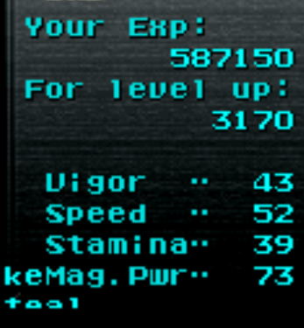
[4:49 AM] franklin:
found another cursed shld somewhere
[9:05 PM] BOT dr-race-bot:
Apefruit11 has finished the race with a time of 4:54:50.
dr-race-bot pinned a message to this channel. See all pinned messages. — 04/15/2022
[9:06 PM] Apefruit11:
god that sucked
[9:06 PM] franklin:
Whoa Thats a very close time
[9:07 PM] Apefruit11:
Seriously
[9:07 PM] franklin:
gg
[9:07 PM] Apefruit11:
gg
[11:37 PM] Heroebal:
especially a 4 hour seed!
[11:37 PM] Heroebal:
err almost 5
[11:44 PM] Heroebal:
gg
16-Apr-22
[9:23 AM] BOT dr-race-bot:
Jexvrok has finished the race with a time of 3:40:14.
dr-race-bot pinned a message to this channel. See all pinned messages. — 04/16/2022
[9:23 AM] Jexvrok:
GG!
[9:23 AM] franklin:
gg
[9:24 AM] Jexvrok:
7c/21e/8d
[9:24 AM] franklin:
how was magimaster
[9:25 AM] Jexvrok:
took me 3 tries
[9:25 AM] Jexvrok:
same with stooges
[9:25 AM] franklin:
stooges using x zone was nuts
[9:25 AM] Jexvrok:
if ti were not for them i would have had a sub 3:30
[9:26 AM] Jexvrok:
i got lucky with xzone not connecting

1
[9:26 AM] franklin:
what was your party, did you end up looking for more magic users or just go with commands
[9:26 AM] Jexvrok:
i used celes edgar setzer & murder child
[9:26 AM] Jexvrok:
had an imp dragoon backup
[9:27 AM] Jexvrok:
got lucky i found a mag+2 esper before i finished all my grind fights
[9:28 AM] Jexvrok:
then getting the econimizer was really nice at the end
[9:28 AM] Jexvrok:
plus katana soul dropped a ragnarok
[9:28 AM] Jexvrok:
offering vnife carried me majority of the seed however

1
[9:29 AM] Jexvrok:
stole offering off a pug when i was looking for minerva (edited)
[9:30 AM] franklin:
One thing i learned is that characters without magic command can learn spells from items and then use them in FT
[9:31 AM] franklin:
Yeah the BC loot randomization is funny
[9:31 AM] Jexvrok:
also i managed to get many bahaumet summons early on using slots

[9:31 AM] Jexvrok:
that saved me some pain
[9:31 AM] franklin:
you end up with a lot of items from fixed encounters
[9:32 AM] franklin:
I think heroebal got 3 bars a few times
[9:32 AM] franklin:
no crusader tho
[9:32 AM] Jexvrok:
i also unlocked the pally shield
[9:32 AM] Jexvrok:
and kept it on celes
[9:32 AM] Jexvrok:
cause early game she was useless
[9:32 AM] franklin:
i unlocked on edgar then realized he couldnt equip it
@Jexvrok
cause early game she was useless
[9:33 AM] franklin:
Runic and Scan bot
[9:33 AM] Jexvrok:
i also picked up a second cursed shield from giagantos (edited)
[9:36 AM] franklin:
good time tho especially with unpredictable enemies
[9:36 AM] Jexvrok:
having x magic helped
[9:36 AM] Jexvrok:
cause i would cast both fire and ice 3 to see which hit
[9:37 AM] franklin:
For sure
[9:37 AM] Jexvrok:
also having the non elemental defence ignoring damage helped.(vknife, bum rush & throw)
[9:37 AM] franklin:
I used a lot of flares
[9:38 AM] Jexvrok:
i should have gone down that route. would have probably saved a little bit of time
[9:44 AM] Jexvrok:
oh... and wall ring saved me form magi master(he also killed himself), and 3 stooges i also used wall ring and jewel ring to protect myself against that fight.

1
[6:50 PM] franklin:
@Jexvrok watching your restream... holy smokes that track menu looks all messed up
[6:50 PM] franklin:
remind me to never modify that log (edited)
[7:23 PM] Jexvrok:
lol
20-Apr-22
[12:11 PM] Jexvrok:
I wouldn't mind trying another mashup of Bc&Wc
@Jexvrok
I wouldn't mind trying another mashup of Bc&Wc
[1:18 PM] franklin:
i had planned on doing one a month

1
[3:02 PM] BOT dr-race-bot:
Greenmonkey has finished the race with a time of 4:35:36.
dr-race-bot pinned a message to this channel. See all pinned messages. — 04/20/2022
[3:02 PM] franklin:
gg
[6:14 PM] franklin:
@Jexvrok what did you think of the BC style mods
[6:14 PM] franklin:
Commands: Not all characters will be able to use Magic and Item: Characters have a 2/3 chance of being able to use Item, 1/3 chance of Item being replaced with another command Characters have a 1/2 chance of being able to use Magic, 1/2 chance of Magic being replaced with another command Monsters: Monster drops and steals randomized using BC's ranked item style Monsters elemental affinities randomized - use Scan to identify weaknesses, test absorb/nullifcation on your own Monster AI scripts, specials, special names randomized - major difficulty spike for several bosses Monster Control/Sketch/Rage commands randomized Monster palettes randomized Extras: Y equip/relic patch applied Run from Coliseum patch applied Animation colors randomized johnnydmad patch - chaotic music ^ all of that was done in a BC style (edited)
@franklin
Commands: Not all characters will be able to use Magic and Item: Characters have a 2/3 chance of being able to use Item, 1/3 chance of Item being replaced with another command Characters have a 1/2 chance of being able to use Magic, 1/2 chance of Magic being replaced with another command Monsters: Monster drops and steals randomized using BC's ranked item style Monsters elemental affinities randomized - use Scan to identify weaknesses, test absorb/nullifcation on your own Monster AI scripts, specials, special names randomized - major difficulty spike for several bosses Monster Control/Sketch/Rage commands randomized Monster palettes randomized Extras: Y equip/relic patch applied Run from Coliseum patch applied Animation colors randomized johnnydmad patch - chaotic music ^ all of that was done in a BC style (edited)
[6:23 PM] Jexvrok:
the random commands on the characters with either not having item or magic was really cool. something i would keep and perhaps even seen added as an option for WC(keeper) the randomized items from stealing from monsters is also something cool and would add some interesting dynamics to WC.(keeper) the monster elemental affinities being randomized caught me off guard and i think it is certainly my kind of thing. i wouldnt use it all the time but it is certainly something we should have as an option with the randomize distort flag or make it a part of it. monster control/sketch/rage i did not really get to play with seeing that i blazed through this seed. so no opinion on this random monster pallets... yes y equip/relic... never figured out how it work so no opinion there i did not try the run from colieum but it would certainly make life easier to get out of a fight that you cant win rather than having to reset.(keep) animation colors.... yes chaotic music yes

1
[6:25 PM] Jexvrok:
i hope this feedback is helpful

24-Apr-22
[11:24 AM] js8271986:
Ok so got to MM and stooges and FF out. I was already 4 hrs in and was beyond having patience for it. Was about to warp out and one party both routes but it was just too much time for me. The ideas and concepts are fantastic but for me time is limited and kinda hurts me getting this type of seed done. I had 7/22/8 level 42ish. If I had found an offering then things might have been different but that's part of randos. Magic was basically useless until you found flare because I even used scan but wasn't very useful. Even had Merton strats but more times then not no damage done. Flare was very nice with x magic. I feel like I was missing a piece of the puzzle for this one.
[1:16 PM] js8271986:
Steal.... There's my missing piece. Completely forgot about the randomized steals
25-Apr-22
[12:22 AM] franklin:
gg
[12:23 AM] franklin:
MM and Stooges were pretty amped up
[12:23 AM] franklin:
if ur short on time u can just play like me and hold down fast forward
[12:23 AM] franklin:

[2:14 AM] Greenmonkey:
I’m not counting those times guys

[5:26 AM] js8271986:
Lol get them sprint shoes
[5:47 AM] franklin:
The script mods didnt really do much to easy bosses i think. Will have to rethink balancing
[5:48 AM] franklin:
More requirements means more chance to run into something funny or interesting, while making the game longer (edited)
[5:50 AM] franklin:
some of the other monster mods are a lot more wild like autoimage/runic and might be more interesting on an easier boss like ultros 1
[5:50 AM] franklin:
whereas just randomizing the AI script for a Stooges or MM fight is enough to change the challenge level a lot
28-Apr-22
[4:34 AM] js8271986:
No I thought it was great. I liked the challenge but I have a hard time playing seeds in multiple setting or something that long in general anymore. The next one I might try again in multiple settings and just use the tracker more. That way frustration won't set in lol.
3-May-22
[7:38 AM] franklin:
@Squack Mcquack gg
[8:05 AM] Squack Mcquack:
Gg buddy lol
[9:15 PM] franklin:
@nobodywar did you play this at all or just want to check out the room
4-May-22
[3:27 AM] nobodywar:
Didn’t play. Just watching
Message #ff6wc-us2iys-async-spoilers

nobodywar
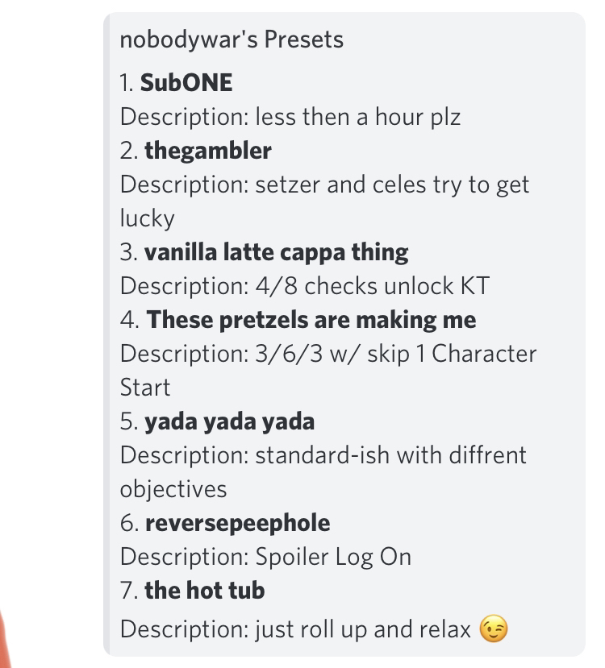
SubOne
-cg -oa 2.2.2.2.5.5.4.6.6 -ob 3.3.3.2.5.5.4.6.6.6.2.2 -oc 30.8.8.1.1.11.8 -od 37.0.0 -sc1 random -sc2 random -sal -eu -csrp 100 139 -fst -sel -brl -bel -slr 5 15 -lmprp 75 100 -lel -srr 12 30 -rnl -sdr 3 3 -das -dda -dns -del -sca -com 99999999999999999999999999 -rec1 6 -rec2 14 -rec3 28 -rec4 13 -rec5 5 -rec6 11 -xpm 5 -mpm 5 -gpm 5 -nxppd -lsce 2.5 -hmce 2.5 -xgce 2 -asr 2 -msl 50 -sed -sfb -bbr -be -rer 0 -fer 0 -escr 100 -dgne -wnz -mmnu -cmd -esr 2 5 -ebr 100 -emprp 50 75 -ems -nm1 random -rnl1 -rns1 -nm2 random -rnl2 -rns2 -nmmi -smc 3 -sws 1 -ier 14 14 -ierr 14 14 -csb 4 16 -mca -stra -saw -sirt -sprp 50 76 -sdm 5 -npi -ccrt -cor -crr -crvr 0 255 -crm -ari -anca -adeh -fs -fe -fvd -fr -fj -fbs -fedc -as -ond -rr -rc

thegambler
-cg -oa 2.6.6.11.40.11.41.11.47.11.5.11.51.11.37 -ob 45.36.36.1.1.6.1.1 -oc 48.36.36.1.1.6.2.2 -od 3.2.2.2.7.7.4.10.10 -oe 23.10.10.0.0 -of 23.10.10.1.1.6.1.1 -og 23.10.10.1.1.6.2.2 -sc1 setzer -sc2 celes -sal -eu -fst -brl -slr 5 19 -lmprp 65 65 -lel -srr 42 140 -rnl -rnc -sdr 4 4 -das -dda -dns -com 98989898989829989827989898 -rec1 6 -rec2 14 -rec3 28 -rec4 11 -rec5 13 -rec6 5 -xpm 4 -mpm 5 -gpm 5 -nxppd -lsced 2 -hmced 3 -xgced 2 -ase 2 -msl 60 -sed -bbr -be -bnu -rer 0 -fer 0 -escr 100 -dgne -wnz -mmnu -cmd -esr 3 5 -ebr 100 -emprp 51 61 -ems -nm1 random -rnl1 -nm2 random -rnl2 -nmmi -smc 3 -sws 3 -sfd 3 -ieor 100 -ieror 100 -csb 4 12 -mca -stra -saw -sisr 73 -sprp 0 73 -sdm 5 -npi -ccsr 81 -cms -cor -crr -crvr 255 255 -ari -anca -adeh -fs -fe -fvd -fr -fj -fbs -fedc -as -ond -rr

these pretzels
-cg -oa 2.2.2.2.3.3.4.6.6 -ob 30.8.8.1.1.11.8 -oc 3.1.1.6.3.3 -od 46.40.99.1.1.2.2.2 -oe 48.40.99.1.1.2.3.3 -of 45.40.99.1.1.2.4.4 -sc1 random -sal -sn -eu -csrp 150 200 -fst -sel -brl -bel -slr 1 5 -lmprp 75 125 -lel -srr 3 15 -rnl -rnc -sdr 1 1 -das -dda -dns -com 98989898989898989898989898 -rec1 6 -rec2 14 -rec3 28 -rec4 13 -rec5 5 -xpm 8 -mpm 10 -gpm 10 -nxppd -lsc 2.5 -hmc 2.5 -xgc 2 -ase 2 -msl 40 -sed -bbs -be -bnu -res -fer 0 -escr 100 -dgne -wnz -mmnu -cmd -esr 2 5 -ebr 100 -emprp 75 100 -nm1 random -rns1 -nm2 random -rns2 -nmmi -smc 3 -sws 3 -ieor 100 -ieror 100 -csb 1 16 -mca -stra -saw -sisr 100 -sprp 75 100 -sdm 4 -npi -ccsr 100 -cms -cor -crr -crvr 255 255 -ari -anca -adeh -nfps -nu -fs -fe -fvd -fr -fj -fbs -fedc -as -ond -rr

vanilla latte
-cg -sl -oa 2.4.8.11.21.11.50.11.36.11.40.11.31.11.46.11.11.11.19 -ob 3.2.4.11.16.11.5.11.44.11.57 -sc1 random -sc2 random -sal -eu -csrp 100 145 -fst -brl -slr 1 5 -lmprp 75 125 -lel -srr 3 15 -rnl -rnc -sdr 1 1 -das -dda -dns -com 98989898989898989898989898 -rec1 28 -rec2 23 -rec3 14 -rec4 5 -rec5 6 -rec6 13 -xpm 6 -mpm 5 -gpm 10 -nxppd -lsce 2 -hmce 2 -xgce 2 -ase 2.5 -msl 45 -sed -bbs -be -bnu -res -fer 0 -escr 100 -dgne -wnz -mmnu -cmd -esr 2 5 -ebr 72 -emprp 55 95 -nm1 random -rnl1 -rns1 -nm2 random -rnl2 -rns2 -nmmi -smc 3 -sws 3 -sfd 3 -ieor 100 -ieror 100 -csb 1 1 -mca -stra -saw -sisr 100 -sprp 55 95 -sdm 4 -npi -ccrt -cms -cspp 0.1.4.4.0.0.2.3.3.4.5.3.3.5.1.0.6.1.0.3 -cor -crr -crvr 255 255 -ari -anca -adeh -nfps -nu -fs -fe -fvd -fr -fj -fbs -fedc -as -ond -rr

yada yada yada
-cg -oa 2.2.2.10.12.12.8.10.10 -ob 35.1.1.2.3.3 -oc 38.1.1.2.4.4 -od 36.1.1.2.5.5 -oe 40.1.1.2.6.6 -of 31.10.10.1.1.4.2.2 -og 31.10.10.1.1.4.4.4 -oh 31.10.10.1.1.4.6.6 -oi 31.10.10.1.1.4.8.8 -oj 3.2.2.2.6.6.4.9.9 -sc1 randomngu -sc2 random -sal -eu -csrp 100 150 -fst -brl -slr 1 5 -lmprp 75 125 -lel -srr 20 30 -rnl -rnc -sdr 1 2 -das -dda -dns -sch -com 98989898989898989898989898 -rec1 28 -rec2 23 -rec3 29 -xpm 3 -mpm 5 -gpm 5 -nxppd -lsced 2 -hmced 2 -xgced 2 -ase 2 -msl 42 -sed -bbs -be -bnu -res -fer 0 -escr 100 -dgne -wnz -mmnu -cmd -esr 0 0 -ebr 100 -emprp 75 125 -ems -nm1 random -rnl1 -rns1 -nm2 random -rnl2 -rns2 -nmmi -gp 1994 -smc 3 -sws 2 -ieor 50 -ieror 50 -csb 3 14 -mca -stra -saw -sisr 50 -sprp 75 125 -sdm 4 -npi -snbr -ccsr 50 -cms -cor -crr -crvr 50 60 -crm -ari -anca -adeh -nmc -nfps -nu -fs -fe -fvd -fr -fj -fbs -fedc -as -ond -rr

reversepeephole
-cg -sl -oa 29.1.255.0.0 -ob 2.1.1.12.9 -sc1 gau -eu -fst -brl -slr 1 5 -lmprp 75 125 -lel -srr 3 15 -rnl -rnc -sdr 1 1 -das -dda -dns -com 16161616161616161616160016 -rec1 28 -rec2 23 -xpm 7 -mpm 8 -gpm 9 -nxppd -lst 1 -hmt 1 -xgt 2.5 -asr 5 -msl 64 -sed -sfb -bbs -be -bnu -res -fer 0 -escr 100 -dgne -wnz -mmnu -cmd -esr 3 5 -ebr 100 -emprp 0 0 -ems -nm1 random -rnl1 -rns1 -nm2 random -rnl2 -rns2 -nmmi -gp 1994 -smc 3 -sws 3 -sfd 3 -sto 3 -ieor 100 -ieror 100 -csb 1 1 -mca -stra -saw -sirt -sprp 0 1 -sdm 4 -npi -ccrt -cms -cspr 0.1.2.3.4.5.6.7.8.9.10.21.12.13.14.15.18.19.20.11 -cor -crr -crvr 255 255 -ari -anca -adeh -fs -fe -fvd -fr -fj -fbs -fedc -as -ond -rr -scan

the hot tub
-cg -sl -oa 38.0.0 -ob 38.0.0 -oc 38.0.0 -od 38.0.0 -oe 40.0.0 -of 40.0.0 -og 36.0.0 -oh 36.0.0 -oi 46.99.99.0.0 -oj 45.99.99.0.0 -ok 2.0.0 -ol 3.0.0 -sc1 random -sc2 random -sal -csrp 115 200 -fst -sel -bel -slr 5 8 -srr 15 30 -sdr 2 2 -dns -del -com 99999999999999999999999999 -rec1 6 -rec2 14 -rec3 28 -rec4 13 -rec5 5 -xpm 6 -mpm 15 -gpm 15 -lsce 2 -hmce 2 -xgh 5 -asr 2 -msl 42 -sed -bbs -be -res -fer 0 -escr 100 -dgne -wnz -mmnu -cmd -esrt -ebr 100 -emps -ems -nm1 random -rnl1 -rns1 -nm2 random -rnl2 -rns2 -nmmi -smc 3 -sws 4 -sfd 4 -ieor 100 -ieror 100 -csb 1 1 -mca -stra -saw -sirt -sprp 0 50 -ccrt -cms -cos -crs -crvr 255 255 -crm -ari -anca -adeh -fs -fe -fvd -fr -fj -fbs -fedc -as -ond -rr -rc

Sprite Editing
copy .bin file into \graphics\sprites\custom

edit \graphics\sprites\sprites.py

give the sprite a unique ID and add it to the dictionary id_sprite

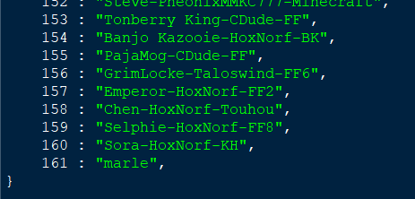

same idea with portraits\custom
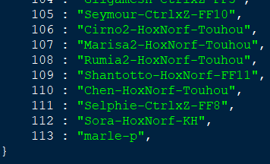

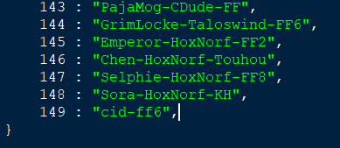

and palettes\custom
if they exist

for portraits, include the portrait palette .pal file in the custom folder along with the .bin

4 Components of Graphics
cpal assigns the 7 palettes (0 to 6)
cpor assigns the portraits to the 14 characters in standard sequence:
TERRA, LOCKE, CYAN, SHADOW, EDGAR, SABIN, CELES, STRAGO, RELM, SETZER, MOG, GAU, GOGO, UMARO
cspr assigns sprites to the 14 characters, and 1 additional portrait is given for Imp
cspp assigns sprite palettes to the 14 characters, then the 6 other sprite types: Soldier, Imp, Esper Terra, Merchant, Ghost, Kefka

-cpal 1.1.2.3.4.5.6 -cpor 113.1.2.3.4.5.6.7.8.9.10.11.12.13.14 -cspr 161.1.2.3.4.5.6.7.8.9.10.11.12.13.14.15.18.19.20.21 -cspp 0.1.4.4.0.0.0.3.3.4.5.3.3.5.1.0.6.1.0.3

In this example, pay attention to the first number for each setting. The rest are vanilla:
palette 1 is being used in the palette 0 slot
portrait 113 is being used for Terra's portrait
sprite 161 is being used for Terra's sprite
palette 0 slot will be applied to Terra's sprite

-cpal 1.149.2.3.4.5.6 -cpor 113.39.2.3.4.5.6.7.8.9.10.11.12.13.14 -cspr 161.162.2.3.4.5.6.7.8.9.10.11.12.13.14.15.18.19.20.21 -cspp 0.1.4.4.0.0.0.3.3.4.5.3.3.5.1.0.6.1.0.3
palette 149 used in palette 1 slot
portrait 39 is being used for Locke's
sprite 162 is Locke's
pal 1 slot will be Locke

